IC ORDER FORM

 |  |  |  |  | amber@integritycabinets.com
 |  |  |  |  |  | crystal@integritycabinets.com |  | PO#:(REQUIRED) |  |  |  |  |  |  |  | JOB/REFERENCE
 |  |  |  |  |  | felicia@integritycabinets.com |  | Order Type: |  | Must select an option |  |  |  |  |  | Original Order #
 |  |  |  |  |  | carol@integritycabinets.com |  |  |  |  |  |  |  |  |  | Box Construction: |  | Must select an option
 |  |  |  |  |  | beth@integritycabinets.com |  | Date: |  |  |  |  |  |  |  | Door Style |  | Must select an option
Dealer Name: |  |  |  |  |  |  |  | Rep: | None Selected | Ship to Address |  |  |  |  |  | Wood Species |  | Must select an option
Address: |  |  |  |  |  |  |  | Address: |  |  |  |  |  |  |  | Finish (PRO=matching laminate unless specified) |  | Must select an option
City, State, Zip: |  |  |  |  |  |  |  | City, State: |  |  |  |  |  |  |  | Glaze Color |  | Must select an option
Phone/Fax: |  |  |  |  |  |  |  | Zip |  |  |  |  |  |  |  | Glaze Technique |  | Must select an option
Email: |  |  |  |  |  |  |  | Phone/Fax: |  |  |  |  |  |  |  | Finish Process |  | Must select an option
Designer: |  |  |  |  |  |  |  |  |  |  |  |  |  |  |  | Drawer Box |  | Must select an option
1 PAGE FORM
2 PAGE FORM
3 PAGE FORM
4 PAGE FORM
CLEAR FORM
2023 Price Book |  |  |  |  |  |  |  |  |  |  |  |  |  |  |  | Drawer Front |  | Must select an option
Open/Save to Desktop as <PO#>.pdf
Effective 04/07/2025 |  |  | Release Date |  |  | 2026-02-26
Notes: |  |  |  |  |  |  |  |  |  |  |  | Multiplier: |  |  | 1.000
 |  |  |  |  |  |  |  |  |  |  |  | Calculated Factor |  |  | #N/A
LINE | Qty | Item | Hng | Sq Ft | Comments/Instructions |  | Mod % | Mod% 2 | Mod% 3 | NET MODS | PFG MOD | Mod 2 (List) | Mod 3 (List) | Mod 4 (List) | Cabinet List | Mod SubTotal (%) | Net SubTotal | List Mod Sub Total ($) | Total | Cubes
1 |  |  |  |  |  |  |  |  |  |  |  |  |  |  |  | $- | $- | $- | $-
2 |  |  |  |  |  |  |  |  |  |  |  |  |  |  |  | $- | $- | $- | $-
3 |  |  |  |  |  |  |  |  |  |  |  |  |  |  |  | $- | $- | $- | $-
4 |  |  |  |  |  |  |  |  |  |  |  |  |  |  |  | $- | $- | $- | $-
5 |  |  |  |  |  |  |  |  |  |  |  |  |  |  |  | $- | $- | $- | $-
6 |  |  |  |  |  |  |  |  |  |  |  |  |  |  |  | $- | $- | $- | $-
7 |  |  |  |  |  |  |  |  |  |  |  |  |  |  |  | $- | $- | $- | $-
8 |  |  |  |  |  |  |  |  |  |  |  |  |  |  |  | $- | $- | $- | $-
9 |  |  |  |  |  |  |  |  |  |  |  |  |  |  |  | $- | $- | $- | $-
10 |  |  |  |  |  |  |  |  |  |  |  |  |  |  |  | $- | $- | $- | $-
11 |  |  |  |  |  |  |  |  |  |  |  |  |  |  |  | $- | $- | $- | $-
12 |  |  |  |  |  |  |  |  |  |  |  |  |  |  |  | $- | $- | $- | $-
13 |  |  |  |  |  |  |  |  |  |  |  |  |  |  |  | $- | $- | $- | $-
14 |  |  |  |  |  |  |  |  |  |  |  |  |  |  |  | $- | $- | $- | $-
15 |  |  |  |  |  |  |  |  |  |  |  |  |  |  |  | $- | $- | $- | $-
16 |  |  |  |  |  |  |  |  |  |  |  |  |  |  |  | $- | $- | $- | $-
17 |  |  |  |  |  |  |  |  |  |  |  |  |  |  |  | $- | $- | $- | $-
18 |  |  |  |  |  |  |  |  |  |  |  |  |  |  |  | $- | $- | $- | $-
19 |  |  |  |  |  |  |  |  |  |  |  |  |  |  |  | $- | $- | $- | $-
20 |  |  |  |  |  |  |  |  |  |  |  |  |  |  |  | $- | $- | $- | $-
21 |  |  |  |  |  |  |  |  |  |  |  |  |  |  |  | $- | $- | $- | $-
22 |  |  |  |  |  |  |  |  |  |  |  |  |  |  |  | $- | $- | $- | $-
23 |  |  |  |  |  |  |  |  |  |  |  |  |  |  |  | $- | $- | $- | $-
24 |  |  |  |  |  |  |  |  |  |  |  |  |  |  |  | $- | $- | $- | $-
25 |  |  |  |  |  |  |  |  |  |  |  |  |  |  |  | $- | $- | $- | $-
26 |  |  |  |  |  |  |  |  |  |  |  |  |  |  |  | $- | $- | $- | $-
27 |  |  |  |  |  |  |  |  |  |  |  |  |  |  |  | $- | $- | $- | $-
28 |  |  |  |  |  |  |  |  |  |  |  |  |  |  |  | $- | $- | $- | $-
29 |  |  |  |  |  |  |  |  |  |  |  |  |  |  |  | $- | $- | $- | $-
30 |  |  |  |  |  |  |  |  |  |  |  |  |  |  |  | $- | $- | $- | $-
31 |  |  |  |  |  |  |  |  |  |  |  |  |  |  |  | $- | $- | $- | $-
32 |  |  |  |  |  |  |  |  |  |  |  |  |  |  |  | $- | $- | $- | $-
33 |  |  |  |  |  |  |  |  |  |  |  |  |  |  |  | $- | $- | $- | $-
34 |  |  |  |  |  |  |  |  |  |  |  |  |  |  |  | $- | $- | $- | $-
35 |  |  |  |  |  |  |  |  |  |  |  |  |  |  |  | $- | $- | $- | $-
36 |  |  |  |  |  |  |  |  |  |  |  |  |  |  |  | $- | $- | $- | $-
37 |  |  |  |  |  |  |  |  |  |  |  |  |  |  |  | $- | $- | $- | $-
38 |  |  |  |  |  |  |  |  |  |  |  |  |  |  |  | $- | $- | $- | $-
39 |  |  |  |  |  |  |  |  |  |  |  |  |  |  |  | $- | $- | $- | $-
40 |  |  |  |  |  |  |  |  |  |  |  |  |  |  |  | $- | $- | $- | $-
41 |  |  |  |  |  |  |  |  |  |  |  |  |  |  |  | $- | $- | $- | $-
42 |  |  |  |  |  |  |  |  |  |  |  |  |  |  |  | $- | $- | $- | $-
43 |  |  |  |  |  |  |  |  |  |  |  |  |  |  |  | $- | $- | $- | $-
44 |  |  |  |  |  |  |  |  |  |  |  |  |  |  |  | $- | $- | $- | $-
45 |  |  |  |  |  |  |  |  |  |  |  |  |  |  |  | $- | $- | $- | $-
46 |  |  |  |  |  |  |  |  |  |  |  |  |  |  |  | $- | $- | $- | $-
47 |  |  |  |  |  |  |  |  |  |  |  |  |  |  |  | $- | $- | $- | $-
48 |  |  |  |  |  |  |  |  |  |  |  |  |  |  |  | $- | $- | $- | $-
49 |  |  |  |  |  |  |  |  |  |  |  |  |  |  |  | $- | $- | $- | $-
150 |  |  |  |  |  |  |  |  |  |  |  |  |  |  |  | $- | $- | $- | $-
 | 0 | Total Items Ordered |  |  |  |  |  |  |  |  |  |  | Subtotals |  |  | $- | $- | $- | $0.00 | 0
 |  |  |  |  |  |  |  |  |  |  |  |  |  | 5 PC Drawer Front Upgrade |  |  |  |  | $-
Factor does not APPLY |  |  |  |  |  |  |  |  |  |  |  | Drw Box Upgrade NET
 |  |  |  |  | UPGRADE OPTIONS |  |  |  |  |  |  | Qty | Price
 |  |  |  |  | Must select an option |  |  |  |  |  |  | 0 | $- |  | Subtotal |  |  |  | #N/A
 |  |  |  |  | Must select an option |  |  |  |  |  |  | 0 | #VALUE! |  | Net Subtotal
Quick Quote is an estimating tool only. Please see your IC confirmation for final pricing. |  |  |  |  |  |  |  |  |  |  |  |  |  |  | Order Total (Net & List) |  |  |  | #N/A

Instructions
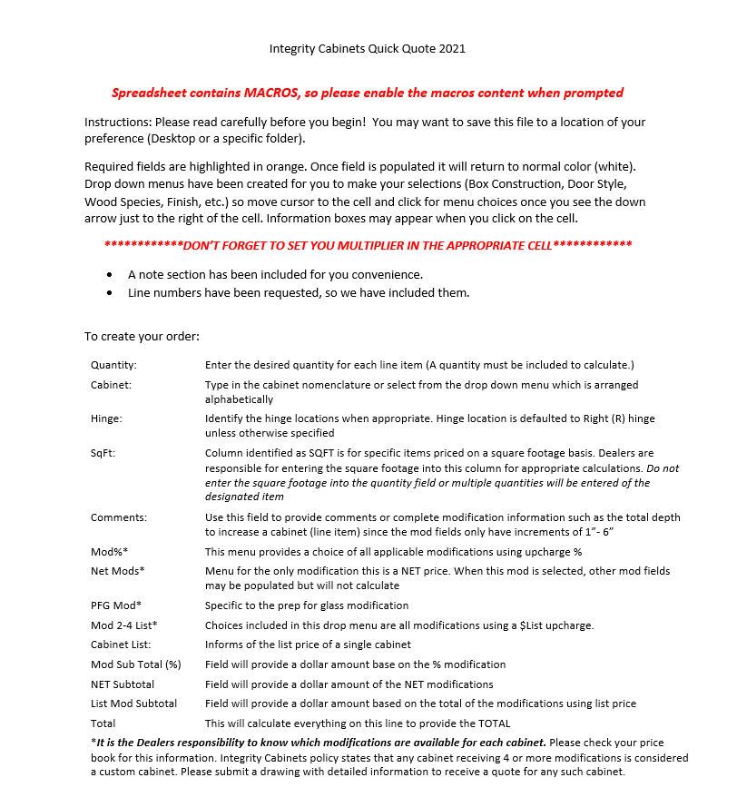

Finishes
Pen Glaze | Add 10% to appropriate price factor (Ignore the upcharge on Black Rub Thru)
Hand-Wipe Glaze | Add 10% to appropriate price factor (Ignore the upcharge on Black Rub Thru)
Rub Thru* | (Ignore the upcharge on Black Rub Thru)
Brushed | Add 15% to appropriate price factor
Distress | Add 15% to appropriate price factor
Vintage | Add 35% to appropriate price factor (Maple Only/Paint Only)

